sheet
Proforma Invoice
From:
Fullbax Limited |  |  |  |  |  |  |  | Invoice Number: | K-06/04/2026-F
FLAT/RM 721 7/F LIVEN HOUSE， |  |  |  |  |  |  |  | Searching Number: | S-29-3-65-2026
NO.61-63 KING YIP STREET KWUN TONG KL |  |  |  |  |  |  |  | Date: | 2026-03-31
 |  |  |  |  |  |  |  | Made by: | Tami/Krzysztof
To: |  |  |  |  |  |  |  | Incoterms: | EXW
Zdeb Invest Sp. z o.o.
Adres:ul. Stefana Batorego 18/108 ; 02-591 Warszawa
NIP：7011124034

 |  |  |  |  |  |  |  |  |  |  |  | Not final Packing List
No. | Product photo for reference only | size | Specification | Model name | EAN | Quantity | Uint | Unit price (EXW USD) | Total Amount (EXW USD) | Remark | Certificate
 |  |  |  |  |  |  |  |  |  |  |  | Length Cm | Width Cm | Height Cm | Packing qty | Carton | CBM/ctn | Total CBM | Net Weight (kg) | Total Net Weight (kg) | Gross Weight | Total Gross Weight (kg)
1 | 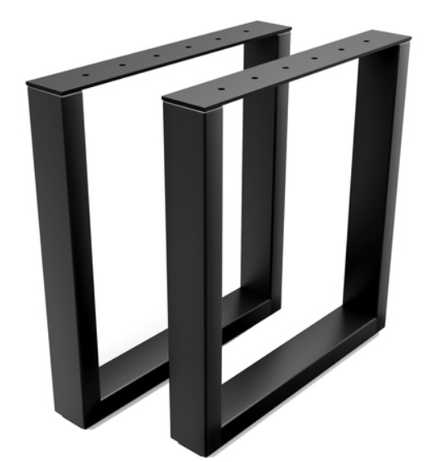 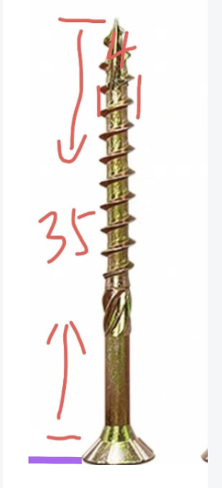 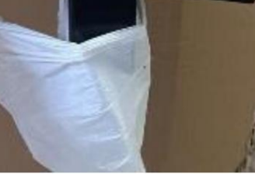 | 72x70 | Legs table 1.Material :Steel Tube 30*60 The top 4mm thick steel plate, Black spray paint 2pcs/sets Accessories:Felt pads 5 pcs+ Screws: 22 pcs into one bag | NS-O1-72x70-BLACK | 5906546531020 | 170 | sets | $19.66 | $3,342.20 | 1. 10 Holes each leg | NO | 78 | 74 | 72 | 5 | 34 | 0.42 | 14.13 |  | 0.00 | 44.00 | 1496.00
2 | 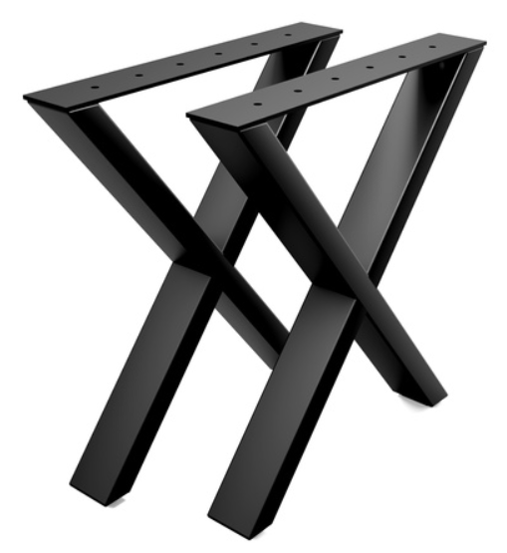 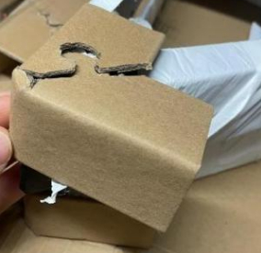 | 72x70 | Legs table 1.Material :Steel Tube 30*60 The top 4mm thick steel plate, Black spray paint 2pcs/sets Accessories:Felt pads 5 pcs+ Screws: 22 pcs into one bag | NS-X1-72x70-BLACK | 5906546531105 | 35 | sets | $19.35 | $677.25 | 1. 10 Holes each leg | NO | 78 | 74 | 72 | 5 | 7 | 0.42 | 2.91 |  | 0.00 | 42.00 | 294.00
3 | 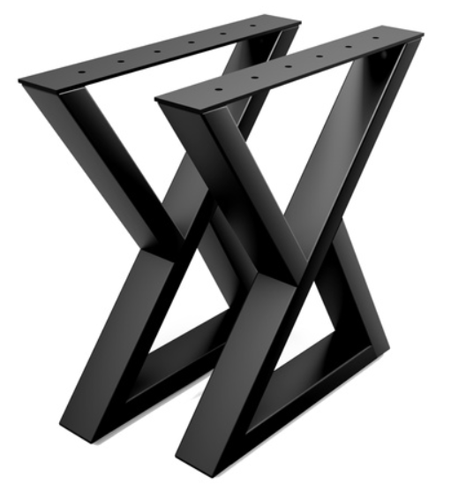 | 72x70 | Legs table 1.Material :Steel Tube 30*60 The top 4mm thick steel plate, Black spray paint 2pcs/sets Accessories:Felt pads 5 pcs+ Screws: 22 pcs into one bag | NS-Z1-72x70-BLACK | 5906546531143 | 70 | sets | $20.69 | $1,448.30 | 1. 10 Holes each leg | NO | 78 | 74 | 72 | 5 | 14 | 0.42 | 5.82 |  | 0.00 | 47.00 | 658.00
4 |  | 72x70 | Legs table 1.Material :Steel Tube 30*60 The top 4mm thick steel plate, Black spray paint 2pcs/sets Accessories:Felt pads 5 pcs+ Screws: 22 pcs into one bag | NS-V1-72x70-BLACK | 5906546531167 | 50 | sets | $23.64 | $1,182.00 | 1. 10 Holes each leg | NO | 78 | 74 | 72 | 5 | 10 | 0.42 | 4.16 |  | 0.00 | 53.00 | 530.00
5 | 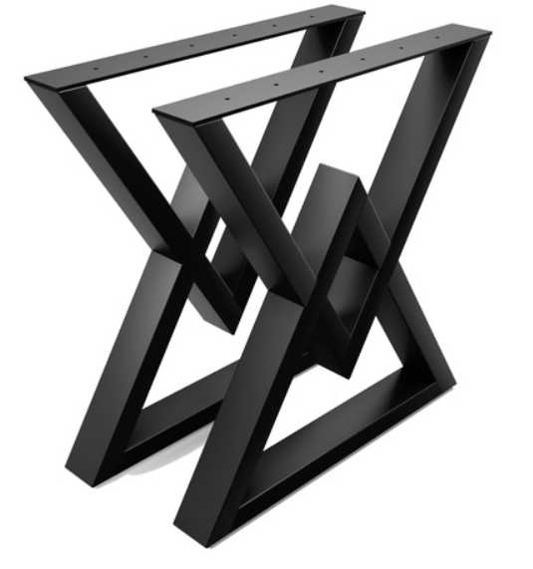 | 72x70 | Legs table 1.Material :Steel Tube 30*60 The top 4mm thick steel plate, Black spray paint 2pcs/sets Accessories:Felt pads 5 pcs+ Screws: 22 pcs into one bag | NS-V2-72x70-BLACK | 5906546531396 | 230 | sets | $29.72 | $6,835.60 | 1. 10 Holes each leg | NO | 78 | 74 | 72 | 5 | 46 | 0.42 | 19.12 |  | 0.00 | 49.00 | 2254.00
6 | 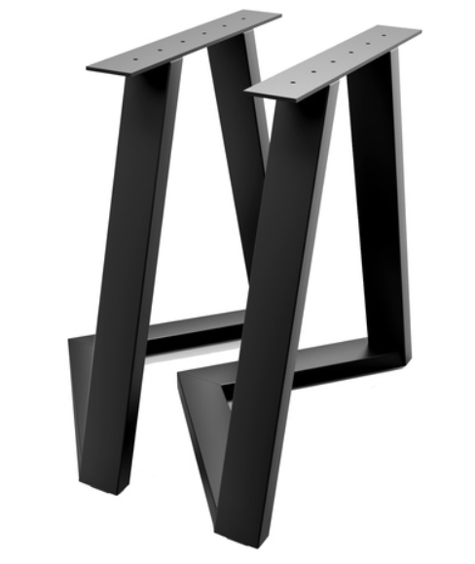 | 72x70 | Legs table 1.Material :Steel Tube 30*60 The top 4mm thick steel plate, Black spray paint 2pcs/sets Accessories:Felt pads 5 pcs+ Screws: 22 pcs into one bag | NS-C-72x70-BLACK | 5906546531204 | 40 | sets | $27.71 | $1,108.40 | 1. 10 Holes each leg | NO | 127 | 80 | 74 | 5 | 8 | 0.75 | 6.01 |  | 0.00 | 55.00 | 440.00
7 | 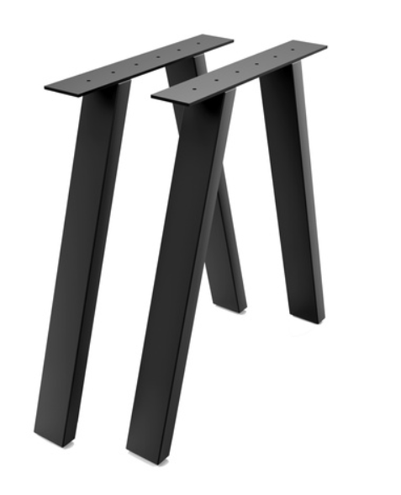 | 72x70 | Legs table 1.Material :Steel Tube 30*60 The top 6mm thick steel plate, Black spray paint 2pcs/sets Accessories:Felt pads 5 pcs+ Screws: 22 pcs into one bag | NS-A2-72x70-BLACK | 5906546531082 | 20 | sets | $18.50 | $370.00 | 1. 10 Holes each leg | NO | 78 | 74 | 72 | 5 | 4 | 0.42 | 1.66 |  | 0.00 | 53.00 | 212.00
8 | 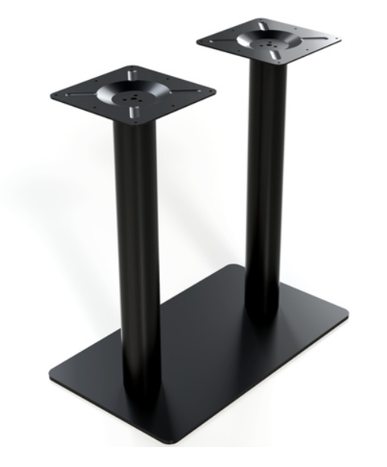 | 72x70x40 | Steel plate: 400*700mm square tube : 76 Top pallet : 250 *250 Thickened :7.0 iron plate Black spray paint one set one carton Accessories:Felt pads 5 pcs+ Screws: 22 pcs into one bag | POST-II-72X40X70-BLA | 5906546531297 | 80 | sets | $23.50 | $1,880.00 | same as before | NO | 71 | 41 | 13 | 1 | 80 | 0.04 | 3.03 |  | 0.00 | 20.00 | 1600.00
9 | 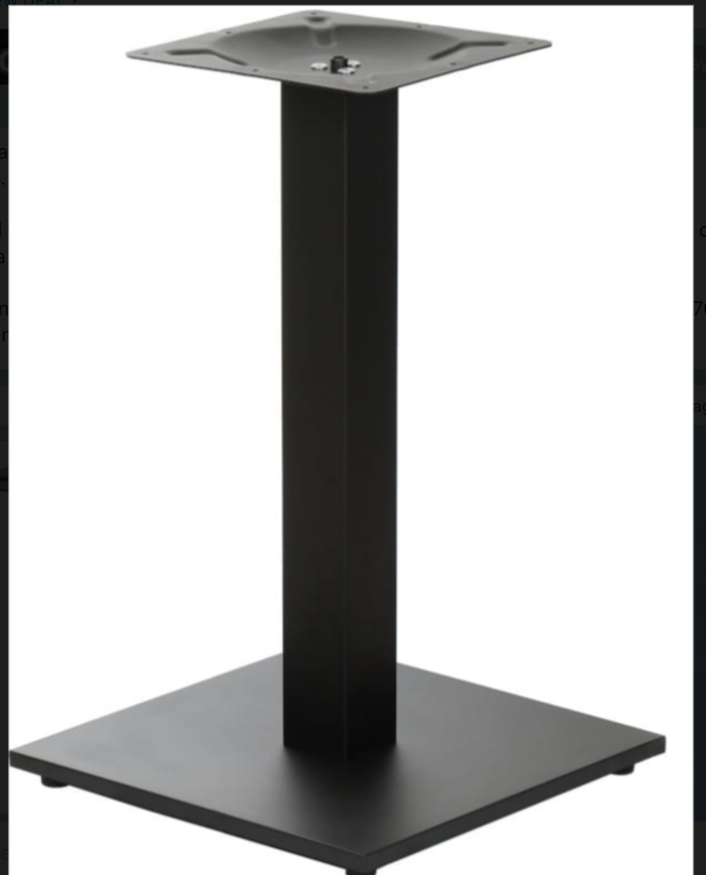 | 72x45x45 | Square Steel plate: 450*450mm square tube : 76 Top pallet : 250 *250 Thickened :7.0 iron plate Black spray paint one pcs one carton Accessories:Felt pads 5 pcs+ Screws: 22 pcs into one bag | POST-I-72X45X45-BLAC | 5906546531266 | 180 | pcs | $16.53 | $2,975.40 | same as before | NO | 71 | 46 | 13 | 1 | 180 | 0.04 | 7.64 |  | 0.00 | 13.60 | 2448.00
TOTAL: |  |  |  |  |  |  |  |  | $19,819.15 |  |  |  |  |  |  | 383 |  | 64.48 |  |  |  | 1496.00
30% deposit I |  |  |  |  |  |  |  |  | $5,945.75
40% deposit II |  |  |  |  |  |  |  |  | $7,927.66
30% Balance |  |  |  |  |  |  |  |  | $5,945.75 |  |  |  |  |  |  |  |  | 0.94818764706
REMARK: |  |  |  |  |  |  |  |  |  |  |  |  |  |  |  |  | left goods | 3.5
The price may change according to the ordered quantity.
Price term: EXW USD without tax term.
Payment: T/T; 50% deposit, the balance should be finished before delivery.
Production time: about20-25 working days after received deposit and after confirm products.

Informacje dotyczące płatności :
1.odbiorca: FULLBAX LIMITED
2. Rachunek Bankowy: 000326591
3. Adres :
RM C 19/F LOCKHART CTR 301-307,LOCKHART RD WANCHAL, HONG KONG
4. Bank Odbiorcy oraz adres:
DBS HONGKONG LIMITED G/E.THE CENTER.99 OUEEN'S ROAD CENTRAL.HONG KONG
5.BANK SWIFT CODE: DHBKHKHH
6. Prosze wybrać: polecenie aby koszy przelewu pokrywał nadawca. nie odbiorca - najczęściej w bankach polecenie nazwane jest skrótem "OUR" W przypadku braku tego polecenia,
koszty przelewu zostaną rozliczone przy końcowym rozliczeniu zlecenia.

